Job-Out Approval Form
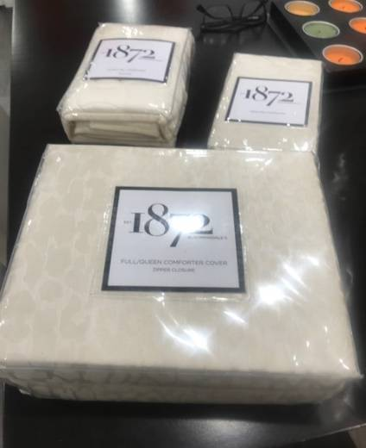
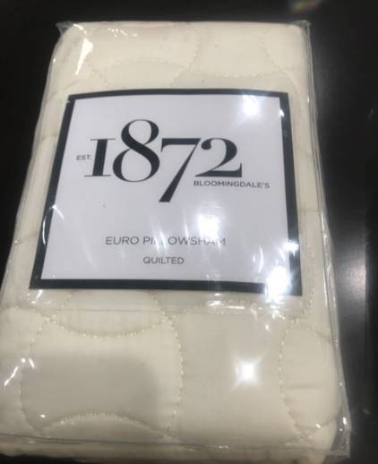
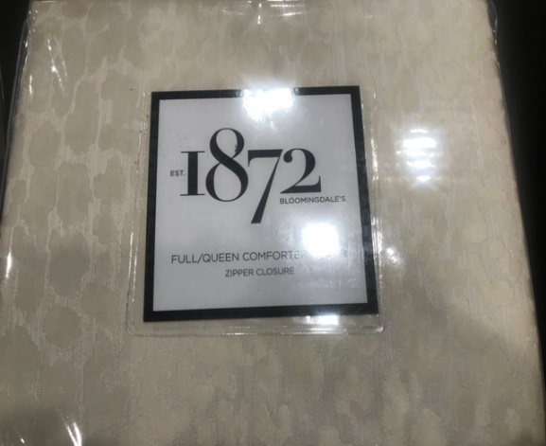
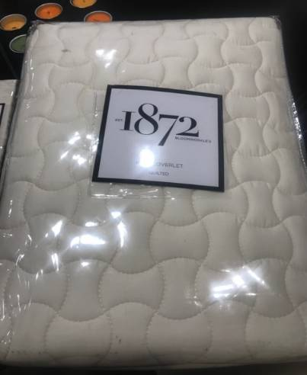
MMG PID | Color | Size | IMAGE | Item Description | Orig Retail | Vendor Avail QTY | Vendor Price
PA27QFL789 | CREAM | QNFL SHT | 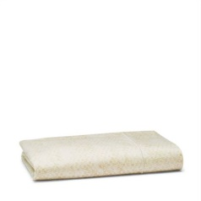 | PANTHERA FLAT SHEET | $145.00 | 12 | $1,740.00
PA28QFT789 | CREAM | QN FT SHT |  | PANTHERA FITTED SHEET | $145.00 | 15 | $2,175.00
PA29KFL789 | CREAM | KNG FL SHT |  | PANTHERA FLAT SHEET | $175.00 | 15 | $2,625.00
PA31CFT789 | CREAM | CAL KNG FT SHT |  | PANTHERA FITTED SHEET | $175.00 | 3 | $525.00
PA32SPC789 | CREAM | STD CASE |  | PANTHERA STNDRD CASES | $125.00 | 20 | $2,500.00
PA33KPC789 | CREAM | KNG CASE |  | PANTHERA KING CASES | $135.00 | 12 | $1,620.00
PA10QDBLM | CREAM | FULL/QN |  | PANTHERA DUVET COVER | $430.00 | 54 | $23,220.00
PA10KDBLM | CREAM | KING |  | PANTHERA DUVET COVER | $475.00 | 96 | $45,600.00
PA12SSBLM | CREAM | STANDARD |  | PANTERA STANDARD SHAM | $130.00 | 72 | $9,360.00
PA13KSBLM | CREAM | KING |  | PANTERA KING SHAM | $145.00 | 104 | $15,080.00
PA14ESBLM | CREAM | EURO |  | PANTHERA EURO SHAM | $145.00 | 120 | $17,400.00
PA21QCBLM | CREAM | QUEEN |  | PANTHERA QUEEN COVERLET | $355.00 | 24 | $8,520.00
PA21KCBLM | CREAM | KING |  | PANTHERA KING COVERLET | $400.00 | 24 | $9,600.00
PA26QESBLM | CREAM | EURO |  | PANTHERA QUILTED EURO SHAM | $115.00 | 36 | $4,140.00
 |  |  |  | TOTAL |  | 607 | $144,105.00

